Mind Maps
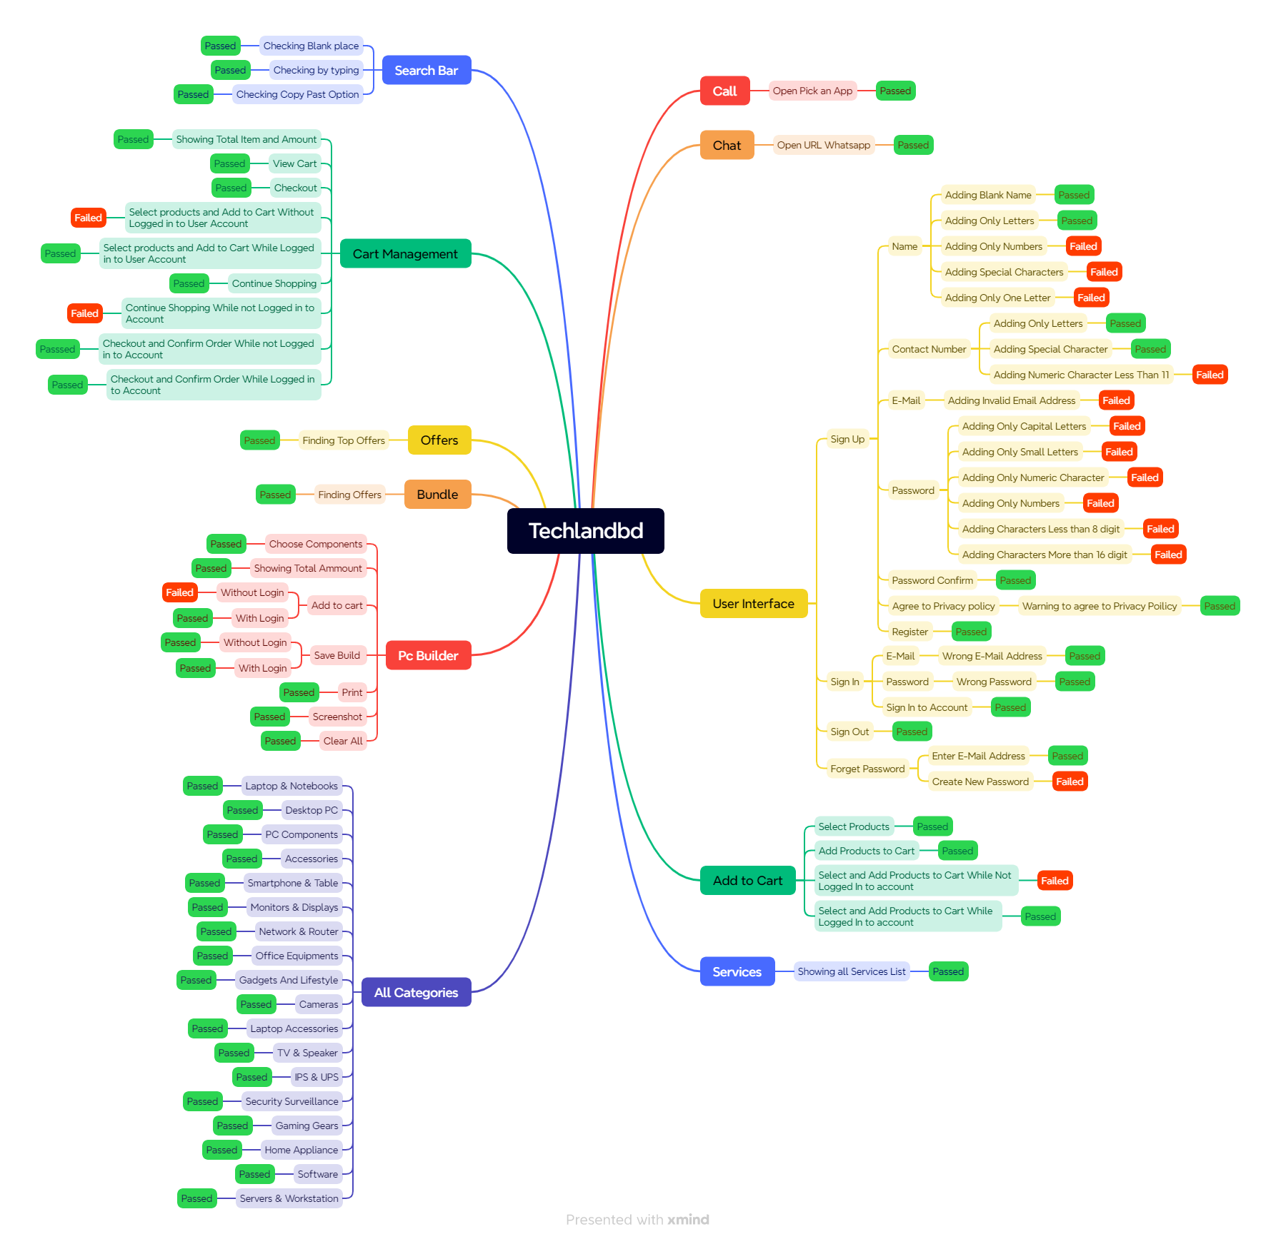

Test Summary Report
Test Case Report
Project Name | techlandbd
Module Name | Sign Up and Sign In |  |  |  |  | Total No. | Status | Result :
Test Case Version |  |  |  |  |  | 44 | PASS
Written By | Mamun Bhuiyan |  |  |  |  | 27 | FAIL
Executed By | Mamun Bhuiyan |  |  |  |  | 0 | Not Executed | New Features | Testing Scope | Testing Environment : | Google Chrome Browser
Reviewed By | Ehsanul Alam Sabbir |  |  |  |  | 0 | Out of Scope |  | 0 | 0 | 0
TEST EXECUTION REPORT

Test Case Report
Test Case | PASS | FAIL | Not Executed | Out Of Scope | Total TC
 | 44 | 27 | 0 | 0 | 71
Grand Total | 44 | 27 | 0 | 0 | 71

Received
Documents |  |  |  | Received | Useful
PRD |  |  |  | No | No
USER STORY |  |  |  | No | No

 | Testing Type in Scope | Description

Yes/ No. Justification (If No): | Functional Testing | This type of testing ignores the internal parts and focuses only on the output to check if it is as per the requirement or not.

Yes/ No. Justification (If No): | Integration Testing | Testing of all integrated modules to verify the combined functionality after integration is termed as Integration Testing.

Yes/ No. Justification (If No): | Negative Testing | Testing having the mindset of “attitude to break” using incorrect data and invalid inputs.

Yes/ No. Justification (If No): | Usability Testing | Test application from user friendliness perspective.

Yes/ No. Justification (If No): | Browser Compatibility Testing | Browser Compatibility Testing is performed for web applications and it ensures that the software can run with the combination of different browser and operating system. This type of testing also validates whether web application runs on all versions of all browsers or not.

Yes/ No. Justification (If No): | Boundary Value Testing | There is an upper and lower boundary for each range and testing is performed on these boundary values.

Yes/ No. Justification (If No): | Risk Based Testing Or Regression Testing | Risk-Based Testing includes testing of highly critical functionality, which has the highest impact on business and in which the probability of failure is very high. Testing an application as a whole for the modification in any module or functionality is termed as Regression Testing.

Test Case Report
GENERAL INFORMATION
Test Stage: | Functionality
Test date: | 04/17/2024 | System Date, if applicable: | N/A
Tester: | Mamun Bhuiyan | Test Case Number: | # SL 01
Test Case Description: | User should not register to the system without entering valid credientials and password including at least one uppercase one numeric and minimum length should be eight.
Results: | Fail | Incident Number, if applicable | N/A
INTRODUCTION
Requirement(s) to be tested: | User should enter valid credientials and password including at least one uppercase one numeric and minimum length should be eight.
Rules and Responsibilities: | N/A
Set Up Procedures: | 1. Ensure that your device has Internet access
 | 2. Open Google Chrome
Stop Procedures: | 1. Screenshot of that error.
 | 2. Record test result.
ENVIRONMENTAL NEEDS
Hardware: | N/A
Software: | Google Chrome
Procedural Requirements: | N/A
TEST
Test Items and Features: | Password field for user registrations. Requirements source not applicable.
Input Specification: | 1. Email: goodboymamun000@gmail.com
 | 2. Valid Captcha
Procedural Steps: | 1. Go to : https://www.techlandbd.com/
 | 2. Clicked on Sign Up button
 | 4. Enter Invalid mail and credentials
 | 5. Enter Password
 | 6. Clicked on Sign Up button
Expected Result of the Case: | User should not registered with Entering Invalid credentials.
ACTUAL RESULTS
Output Specification: | 1. User can registered with invalid password.

